Demo
 |  | West
 | RD 1 Picks |  | RD 2 Picks |  | RD 3 Picks |  |  | Point Cats | Points
Avalanche |  |  |  |  |  |  |  | Correct Pick | 2
Kings | Avs in... |  |  |  |  |  |  | Correct # of Games | 1
 |  | Avalanche |  |  |  |  |  | Right Cup Pick | 3
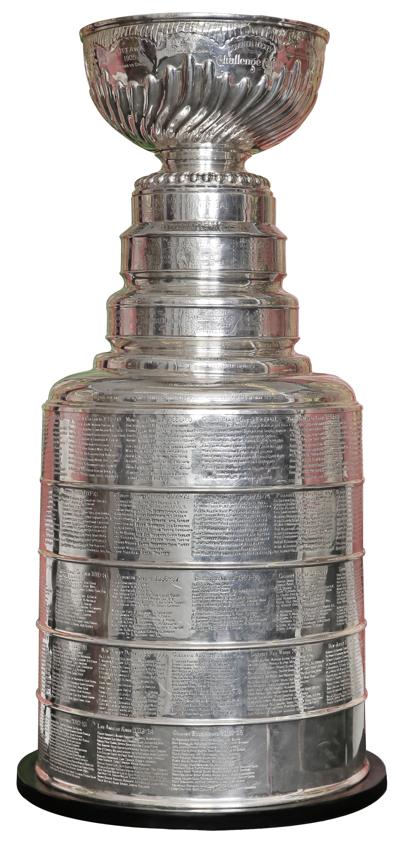
Stars | Stars in.... | Stars | Avs in...
Wild |  |  |  | Avalanche
 |  |  |  | Golden Knights | Avs in....
Golden Knights |  |  | Knights in....
Mammoth | Knights in.... | Golden Knights
 |  | Oilers
Oilers | OIl in .... |  |  |  |  |  | Cup Pick
ducks |  |  |  |  |  | Stanley Cup Final
 |  |  |  |  |  | Avalanche
 |  | East |  |  |  | Penguins | Avs in....
Buffalo | RD 1 Picks |  | RD 2 Picks |  | RD 3 Picks
Bruins
 | Sabres in...
Lightning |  | Buffalo
Canadiens | Habs in.... | Canadiens | Habs in... |  | Pens in...
 |  |  |  | Canadiens
Hurricanes |  |  |  | Penguins
Senators |  |  | Pens in....
 | Canes in.... | Hurricanes
Penguins |  | Penguins
Flyers | Pens in ....

